Summary
ONTARIO: SURVEY OF FORECASTS
(per cent) 2023 - 2025 | 2023-12-20

FORECASTER | DATE |  | Real GDP Growth |  | Nominal GDP Growth | GDP Deflator | CPI | Unemployment Rate | Nominal Consumer Spending |  | Employment |  | Home Resales |  | Home Resale Prices |  | Compensation of Employees | Net Operating Surplus - Corporations

2023 | Average |  | 1.0 |  | 3.4 | 2.7 | 3.7 | 5.7 | 3.1 |  | 2.2 |  | -3.9 |  | -1.4 |  | 3.8 | -3.5
 | High |  | 1.5 |  | 5.7 | 4.4 | 4.2 | 6.0 | 6.6 |  | 2.5 |  | 0.0 |  | 0.0 |  | 10.0 | 0.5
 | Low |  | 0.0 |  | 0.0 | 1.6 | 3.3 | 5.5 | 0.0 |  | 0.0 |  | -13.5 |  | -5.7 |  | 0.0 | -16.1
2024 | Average |  | 0.4 |  | 2.7 | 2.3 | 2.6 | 6.6 | 2.3 |  | 0.8 |  | 0.7 |  | 0.0 |  | 2.3 | 0.1
 | High |  | 0.9 |  | 4.9 | 4.0 | 3.8 | 7.4 | 5.5 |  | 1.8 |  | 8.9 |  | 3.5 |  | 4.9 | 3.1
 | Low |  | -0.1 |  | 0.0 | 1.6 | 1.8 | 5.8 | 0.0 |  | 0.0 |  | -10.9 |  | -5.1 |  | 0.0 | -12.3
2025 | Average |  | 1.7 |  | 3.3 | 1.7 | 1.7 | 5.4 | 1.9 |  | 1.3 |  | 4.7 |  | 0.7 |  | 2.0 | 1.9
 | High |  | 2.8 |  | 4.9 | 3.7 | 2.6 | 6.9 | 4.5 |  | 2.5 |  | 30.4 |  | 4.0 |  | 5.3 | 10.0
 | Low |  | 0 |  | 0 | 0 | 0 | 0 | 0 |  | 0 |  | 0 |  | 0 |  | 0 | 0

Real GDP Growth Per cent
 | MOF | PSA
2019 | 2.1
2020 | -4.7
2021 | 5.2
2022 | 3.7
2023f | 0.1997656257 | 1.1275372129
2024f | 1.2999998257 | 0.57907052299
2025f | 2.5000003021 | 2.0843778063
2026f | 2.3999994204 | 2.9060438381
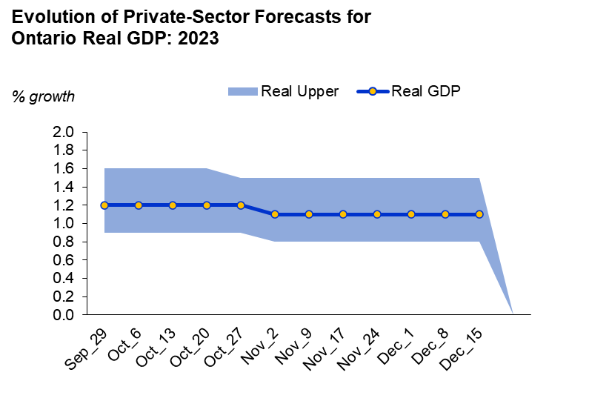
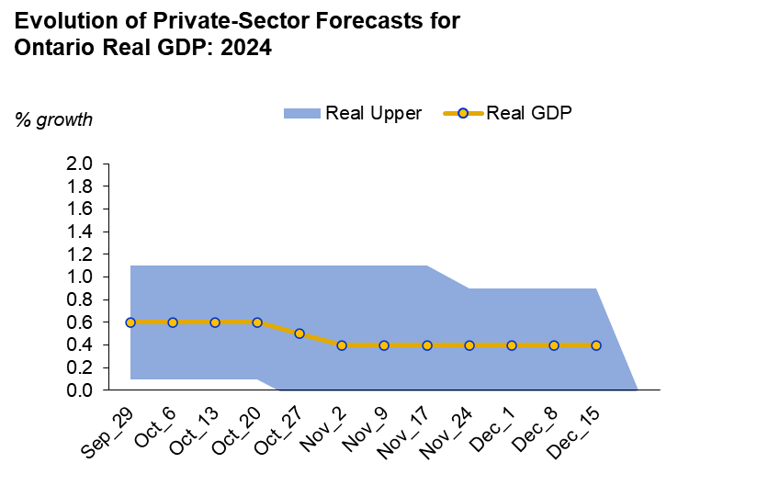
 | Real GDP Growth Outlook
 | 2023 | 2024 | 2025 | 2026
2023 Budget Planning Projection | 0.2 | 1.3 | 2.5 | 2.4
2023 Budget Private-Sector Average | 0.3 | 1.4 | 2.6 | 2.5
Private-Sector Average | 1.1 | 0.4 | 2.2 | 3.0

 | 2023 Budget Planning Projection | 2023 Budget Private-Sector Average | Private-Sector Average
2023 | 0.2 | 0.3 | 1.1
2024 | 1.3 | 1.4 | 0.4
2025 | 2.5 | 2.6 | 2.2
2026 | 2.4 | 2.5 | 3.0

 |  |  |  |  |  |  |  |  | Change in Private-Sector Averages Since Budget
 |  |  |  |  |  |  |  |  |  | Real GDP |  |  |  | Nominal GDP
 |  |  |  |  |  |  |  |  |  | Jan.30 | Sep.29 | Change |  | Jan.30 | Sep.29 | Change
 |  |  |  |  |  |  |  |  | 2023 | 0.3 | 1.2 | 0.0 | 0.9 | 2.9 | 3.7 | 0.0 | 0.8
 |  |  |  |  |  |  |  |  | 2024 | 1.4 | 0.6 | 4.4 | -0.8 | 3.7 | 3.0 | 4.4 | -0.7

Economic Forecasting Unit
December 20, 2023

Econ Update Dashboard
 | Real GDP Growth Outlook
 | 2023 | 2024 | 2025 | 2026
2023 Budget Planning Projection | 0.2 | 1.3 | 2.5 | 2.4 | Change in Private-Sector Averages Since Budget
2023 Budget Private-Sector Average | 0.3 | 1.4 | 2.6 | 2.5 |  | Real GDP |  |  |  | Nominal GDP
Private-Sector Average | 1.1 | 0.4 | 2.2 | 3.0 |  | Jan.30 | Sep.29 | Change |  | Jan.30 | Sep.29 | Change
 |  |  |  |  | 2023 | 0.3 | 1.2 | ▲ | 0.92882292251 | 2.9 | 3.7 | ▲ | 0.8
 |  |  |  |  | 2024 | 1.4 | 0.6 | ▼ | -0.8 | 3.7 | 3.0 | ▼ | -0.7

 |  |  |  |  | ▼ | ▲

Tracking
 | Real Lower | Real Upper | Real GDP
Sep_29 | 0.9 | 0.7 | 1.2
Oct_6 | 0.9 | 0.7 | 1.2
Oct_13 | 0.9 | 0.7 | 1.2
Oct_20 | 0.9 | 0.7 | 1.2
Oct_27 | 0.9 | 0.6 | 1.2
Nov_2 | 0.8 | 0.7 | 1.1
Nov_9 | 0.8 | 0.7 | 1.1
Nov_17 | 0.8 | 0.7 | 1.1
Nov_24 | 0.8 | 0.7 | 1.1
Dec_1 | 0.8 | 0.7 | 1.1
Dec_8 | 0.8 | 0.7 | 1.1
Dec_15 | 0.8 | 0.7 | 1.1
 | Real Lower | Real Upper | Real GDP
Sep_29 | 0.1 | 1.0 | 0.6
Oct_6 | 0.1 | 1.0 | 0.6
Oct_13 | 0.1 | 1.0 | 0.6
Oct_20 | 0.1 | 1.0 | 0.6
Oct_27 | -0.1 | 1.2 | 0.5
Nov_2 | -0.1 | 1.2 | 0.4
Nov_9 | -0.1 | 1.2 | 0.4
Nov_17 | -0.1 | 1.2 | 0.4
Nov_24 | -0.1 | 1.0 | 0.4
Dec_1 | -0.1 | 1.0 | 0.4
Dec_8 | -0.1 | 1.0 | 0.4
Dec_15 | -0.1 | 1.0 | 0.4

 | Real GDP 2023 |  |  |  |  | Real GDP 2024
Date | Average | Low | High | Range | Date | Average | Low | High | Range
Sep_29 | 1.2 | 0.9 | 1.6 | 0.7 | Sep_29 | 0.6 | 0.1 | 1.1 | 1.0
Oct_6 | 1.2 | 0.9 | 1.6 | 0.7 | Oct_6 | 0.6 | 0.1 | 1.1 | 1.0
Oct_13 | 1.2 | 0.9 | 1.6 | 0.7 | Oct_13 | 0.6 | 0.1 | 1.1 | 1.0
Oct_20 | 1.2 | 0.9 | 1.6 | 0.7 | Oct_20 | 0.6 | 0.1 | 1.1 | 1.0
Oct_27 | 1.2 | 0.9 | 1.5 | 0.6 | Oct_27 | 0.5 | -0.1 | 1.1 | 1.2
Nov_2 | 1.1 | 0.8 | 1.5 | 0.7 | Nov_2 | 0.4 | -0.1 | 1.1 | 1.2
Nov_9 | 1.1 | 0.8 | 1.5 | 0.7 | Nov_9 | 0.4 | -0.1 | 1.1 | 1.2
Nov_17 | 1.1 | 0.8 | 1.5 | 0.7 | Nov_17 | 0.4 | -0.1 | 1.1 | 1.2
Nov_24 | 1.1 | 0.8 | 1.5 | 0.7 | Nov_24 | 0.4 | -0.1 | 0.9 | 1.0
Dec_1 | 1.1 | 0.8 | 1.5 | 0.7 | Dec_1 | 0.4 | -0.1 | 0.9 | 1.0
Dec_8 | 1.1 | 0.8 | 1.5 | 0.7 | Dec_8 | 0.4 | -0.1 | 0.9 | 1.0
Dec_15 | 1.1 | 0.8 | 1.5 | 0.7 | Dec_15 | 0.4 | -0.1 | 0.9 | 1.0

Real GDP Growth Per cent
 | MOF | PSA
2019 | 2.1
2020 | -4.7
2021 | 5.2
2022 | 3.7
2023f | 0.1997656257 | 1.1275372129
2024f | 1.2999998257 | 0.57907052299
2025f | 2.5000003021 | 2.0843778063
2026f | 2.3999994204 | 2.9060438381
Real GDP Growth
Date | MOF | PSA
2019 | 2.1
2020 | -4.7
2021 | 5.2
2022 | 3.7
2023f | 0.2 | 1.1
2024f | 1.3 | 0.6
2025f | 2.5 | 2.1
2026f | 2.4 | 2.9

Graphs
Real GDP Growth (%)
 | 2023 |  | 2024 |  | 2025 |  | 2026 |  | 2027
BMO Capital Markets | 1.1 | BMO Capital Markets | 0.4 | BMO Capital Markets | 2.3 | 15-Dec-23 |  | 15-Dec-23
Central 1 Credit Union | 1.2 | Central 1 Credit Union | 0.9 | Central 1 Credit Union | 2.3 | 20-Nov-23 |  | 20-Nov-23
CIBC Capital Markets | 1.2 | CIBC Capital Markets | 0.3 | CIBC Capital Markets | 2.0 | 13-Sep-23 |  | 13-Sep-23
The Conference Board of Canada | 0.8 | The Conference Board of Canada | 0.3 | The Conference Board of Canada | 2.8 | 2-Nov-23 | 2.8 | 2-Nov-23 | 2.7
Desjardins Group | 1.2 | Desjardins Group | -0.1 | Desjardins Group |  | 24-Oct-23 |  | 24-Oct-23
Desjardins |  | Desjardins |  | Desjardins |  | 25-Jul-23 |  | 25-Jul-23
Laurentian Bank Securities | 1.5 | Laurentian Bank Securities | 0.4 | Laurentian Bank Securities |  | 18-Sep-23 |  | 18-Sep-23
National Bank of Canada | 1.1 | National Bank of Canada | 0.1 | National Bank of Canada | 1.6 | 20-Nov-23 |  | 20-Nov-23
Quantitative Economic Decisions | 1.3 | Quantitative Economic Decisions | 0.9 | Quantitative Economic Decisions | 1.4 | 21-Sep-23 | 4.4 | 21-Sep-23 | 2.4
RBC Financial Group | 1.1 | RBC Financial Group | 0.2 | RBC Financial Group | 2.3 | 13-Dec-23 |  | 13-Dec-23
Scotiabank Group | 1.1 | Scotiabank Group | 0.5 | Scotiabank Group | 2.6 | 15-Dec-23 |  | 15-Dec-23
Stokes Economic Consulting | 0.9 | Stokes Economic Consulting | 0.6 | Stokes Economic Consulting | 2.4 | 10-Aug-23 | 3.0 | 10-Aug-23 | 2.7
TD Bank | 1.1 | TD Bank | 0.3 | TD Bank | 1.5 | 19-Dec-23 | 1.8 | 19-Dec-23 | 1.8
University of Toronto | 1.0 | University of Toronto | 0.6 | University of Toronto | 2.7 | 25-Oct-23 | 2.9 | 25-Oct-23 | 2.8
Nominal GDP Growth (%)
 | 2023 | 2024 | 2025 | 2026 | 2027
BMO Capital Markets | 4.1 | 2.8 | 4.8 | 4.8 | 4.8
Central 1 Credit Union | 3.8 | 3.2 | 3.8
CIBC Capital Markets | 2.9 | 2.2 | 4.3
The Conference Board of Canada | 4.7 | 3.8 | 4.7 | 4.4 | 4.4
Desjardins Group | 3.6 | 1.9
Desjardins
Laurentian Bank Securities | 4.1 | 2.9
National Bank of Canada | 3.3 | 2.3 | 3.3
Quantitative Economic Decisions | 5.7 | 4.9 | 4.1 | 5.8 | 4.3
RBC Financial Group | 3.6 | 2.1 | 3.7
Scotiabank Group | 3.7 | 3.0 | 4.4
Stokes Economic Consulting | 4.8 | 2.6 | 4.7 | 5.4 | 5.0
TD Bank | 3.8 | 3.2 | 3.5 | 3.8 | 3.8
University of Toronto | 3.7 | 3.4 | 4.9 | 5.0 | 5.0

GDP Deflator (%)
 | 2023 | 2024 | 2025 | 2026 | 2027
BMO Capital Markets | 3.2 | 2.5 | 2.0 | 2.0 | 2.1
Central 1 Credit Union | 4.4 | 4.0 | 2.7 | 1.4 | 1.9
CIBC Capital Markets | 3.9 | 1.9 | 2.2 | 2.3 | 2.2
Desjardins Group | 2.7 | 2.7 | 2.1 | 2.0 | 2.1
Desjardins | 2.5 | 1.7
Laurentian Bank Securities | 2.1 | 1.7 | 3.7
National Bank of Canada | 2.6 | 2.9 | 2.8
Quantitative Economic Decisions | 2.5 | 2.3 | 2.1 | -0.6 | 1.4
RBC Financial Group | 1.6 | 1.9
Scotiabank Group | 2.5 | 2.3 | 1.7
Stokes Economic Consulting | 2.0 | 1.6 | 1.9
TD Bank | 2.7 | 2.9 | 2.3
The Conference Board of Canada | 3.3 | 2.6
University of Toronto | 2.3 | 1.7 | 0.6
CPI (%)
 | 2023 | 2024 | 2025 | 2026 | 2027
BMO Capital Markets | 3.7 | 2.6 | 2.0 | 2.0 | 2.0
Central 1 Credit Union | 4.2 | 3.8 | 2.6 | 1.8 | 1.9
CIBC Capital Markets | 3.5 | 2.5 | 2.4 | 2.2 | 2.1
Desjardins Group | 3.8 | 2.7 | 2.1 | 2.0 | 2.0
Desjardins | 3.3 | 2.2
Laurentian Bank Securities | 3.6 | 1.8 | 1.5
National Bank of Canada | 3.7 | 2.6 | 2.0
Quantitative Economic Decisions | 4.2 | 3.8 | 2.6 | 1.8 | 1.9
RBC Financial Group | 3.7 | 2.3
Scotiabank Group | 3.8 | 2.9 | 2.3
Stokes Economic Consulting | 3.8 | 2.2 | 1.9
TD Bank | 3.4 | 2.5 | 2.0
The Conference Board of Canada | 3.9 | 2.3
University of Toronto | 3.9 | 2.9 | 2.2

PCE Deflator (%)
 | 2023 | 2024 | 2025 | 2026 | 2027
Quantitative Economic Decisions | 4.2 | 3.8 | 2.6 | 1.8 | 1.9
Stokes Economic Consulting | 4.0 | 2.8 | 1.9 | 1.8 | 1.7
The Conference Board of Canada | 3.3 | 1.9 | 1.4 | 1.4 | 1.4
University of Toronto | 3.2 | 2.1 | 2.4 | 2.2 | 2.1
Nominal Consumer Spending (%)
 | 2023 | 2024 | 2025 | 2026 | 2027
National Bank of Canada
Quantitative Economic Decisions
TD Bank
The Conference Board of Canada | 4 | 3.2
University of Toronto | 6.4 | 3.8 | 4.4 | 4.8 | 4.7

Employment (%)
 | 2023 | 2024 | 2025 | 2026 | 2027
BMO Capital Markets | 2.4 | 1.1 | 1.8 | 1.8 | 1.7
Central 1 Credit Union | 2.5 | 1.8 | 1.6 | 2.4 | 1.5
CIBC Capital Markets | 2.1 | 0.7 | 1.4 | 1.5 | 1.9
Desjardins Group | 2.5 | 1.1 | 1.7 | 1.8 | 1.7
Laurentian Bank Securities | 2.4 | 0.8 | 1.8
National Bank of Canada | 2.4 | 0.9 | 2.5
Quantitative Economic Decisions | 2.5 | 0.3 | 1.1
RBC Financial Group | 2.3 | 0.1
Scotiabank Group | 2.5 | 1.4 | 2.0
Stokes Economic Consulting
TD Bank | 2.5 | 0.9 | 1.7
The Conference Board of Canada | 2.5 | 0.6
University of Toronto | 2.5 | 0.6 | 1.1

Unemployment Rate (%)
 | 2023 | 2024 | 2025 | 2026 | 2027
BMO Capital Markets | 5.6 | 6.2 | 5.8 | 5.6 | 5.4
Central 1 Credit Union | 5.6 | 5.8 | 6.0 | 5.2 | 5.3
CIBC Capital Markets | 5.8 | 6.2 | 6.3 | 6.0 | 6.1
Desjardins Group | 5.7 | 6.8 | 6.7 | 6.4 | 6.1
Laurentian Bank Securities | 5.6 | 6.9 | 6.6
National Bank of Canada | 5.7 | 6.7 | 6.9
Quantitative Economic Decisions | 5.6 | 6.9 | 6.9
RBC Financial Group | 5.7 | 7.4
Scotiabank Group | 5.7 | 6.9 | 6.5
Stokes Economic Consulting | 5.5 | 6.4 | 5.8
TD Bank | 6.0 | 6.7 | 6.2
The Conference Board of Canada | 5.8 | 6.4
University of Toronto | 5.7 | 6.7 | 6.8

Labour Force (%)
 | 2023 | 2024 | 2025 | 2026 | 2027
Quantitative Economic Decisions | 2.5 | 2.0 | 1.8 | 1.5 | 1.6
Stokes Economic Consulting | 2.3 | 1.2 | 1.6 | 1.1 | 2.0
The Conference Board of Canada | 2.4 | 1.7 | 1.5 | 1.5 | 1.5
University of Toronto | 2.6 | 2.4 | 1.7 | 1.6 | 1.3

Unemployment Rate (%)
 | 2023 | 2024 | 2025 | 2026 | 2027
Quantitative Economic Decisions | 65.5 | 65.2 | 65.1 | 65.1 | 65.3
Stokes Economic Consulting | 65.6 | 65.3 | 65.3 | 64.9 | 65.2
The Conference Board of Canada | 64.2 | 63.6 | 63.7 | 63.7 | 63.7
University of Toronto | 65.6 | 65.6 | 65.6 | 65.7 | 65.6

